Title Page
UNL-Sheep Budget Tool

An Excel spreadsheet for evaluating the value of potential sheep production revenue, expenses, and profitability

 |  | Version: 2021-04-01
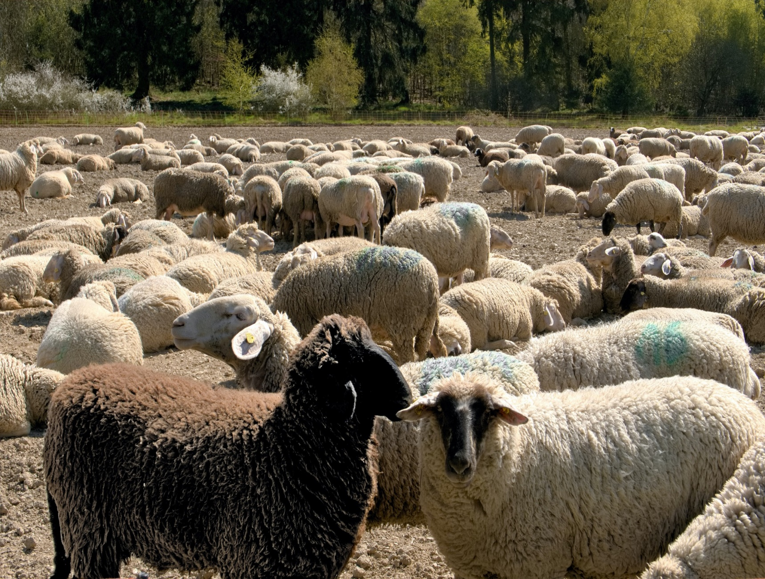

INTRODUCTION
 | The University of Nebraska - Lincoln sheep budget tool was developed to help producers determine the value of sheep production. This tool is NOT intended to represent any one operation but rather market prices and average costs estimates. Each individual operation should adjust key inputs and local market prices to reflect their own situation.

FOR MORE INFORMATION:
Developed by:

Daniel Gertner, Graduate Student, Department of Agricultural Economics, University of Nebraska – Lincoln
Elliott Dennis, PhD, Department of Agricultural Economics, University of Nebraska – Lincoln
Randy Saner, Lincoln-Logan-McPherson County Extension, University of Nebraska-Lincoln
Glennis McClure, Department of Agricultural Economics, University of Nebraska-Lincoln

ACKNOWLEDGEMENTS:
The authors would like to thank the Nebraska Sheep and Goat Producers Association members for assistance in developing this budget information.

Instructions
UNL-Sheep Budget Tool

An Excel spreadsheet for evaluating the value of potential sheep production revenue, expenses, and profitability

 |  | Version: 2021-04-01

 | Budget Instructions
 | (1) The "Summary Budget" tab includes total income, total costs, and net revenue, plus breakeven calculations.

 | (2) DO NOT input numbers directly in the "Summary Budget" tab.

 | (3) Instead, input numbers directly into "Production Parameters", "Revenue", "Expenses - Variable", "Expenses - Fixed", "Non-Farm Adjustments", and "Taxes" tabs.

 | (4) Only input numbers and data into the yellow cells. Other numbers will automatically calculate and fill.

Introduction
The University of Nebraska-Lincoln Department of Agricultural Economics Extension and Outreach program has developed sheep and goat budget templates for use by producers in Nebraska. The budget templates contain an interface in which producers can customize production parameters to their specific operations. Enterprise budgets can serve as a useful guide for producers as they make management decisions.
How to Use
Both the sheep and goat production budgets are organized identically and are designed to operate in the same way. The budgets include:
Instructions – Provides instructions for how to navigate the spreadsheet.
Summary Budget – Includes total income, variable cost, fixed cost, and breakeven calculations.
Production Parameters – Contains customizable general flock, feed, and asset value information.
Revenue – Contains a breakdown of the revenue components of sheep/goat production.
Expenses -Variable – Includes a breakdown of production expenses that vary from year-to-year.
Expenses - Fixed – Includes a breakdown of fixed and overhead expenses.
Taxes – Contains common taxes paid by sheep/goat producers.
Non-Farm Adjustments – Contains sources of other on and off-farm income that producers may include in their sheep or goat budgets.
To use, please follow the following guidelines:
The “Summary Budget” tab summarizes totals from the various budget worksheets or tabs.
Worksheet users should input numbers directly into the yellow highlighted cells in the “Production Parameters”, “Revenue”, “Expenses – Variable”, “Expenses – Fixed”, “Non-Farm Adjustments”, and “Taxes” tabs.
Methods
The market prices, cost estimates, and production parameters included in the sample budget were developed in consultaton with Nebraska sheep and goat producers. After review of sample production budgets from producers, the template was drafted and presented to producers at their annual meetings. From there, revisions were made and the final budget template was completed and reviewed.
Assumptions
Several assumptions were made in an effort to create a sheep budget representative of average operations. A few of the key assumptions are:
Sheep Budget
Breeding Flock Size: 250 ewes
Lambs Born: 350 head/year
Lambs Weaned: 329 head/year
Lamb Weaning Weight: 75 pounds
Lambs Sold at Weaning: 329 head/year
Total Lambs Finished: 0 head/year
Conclusion
The University of Nebraska-Lincoln sheep and goat budget templates were developed to help producers project the value of sheep production and net revenue. This tool is not intended to represent any one operation, but rather to reflect production rates, market prices, and average cost estimates. Each individual operation should adjust key inputs and local market prices to reflect their own situation.

