Introduction
Hay
Silage
 |  |  | Navigation
UNL-Value of Standing Forage Tool
An Excel spreadsheet for evaluating the value of standing forage in the field.

 |  | Version: 2020-07-31
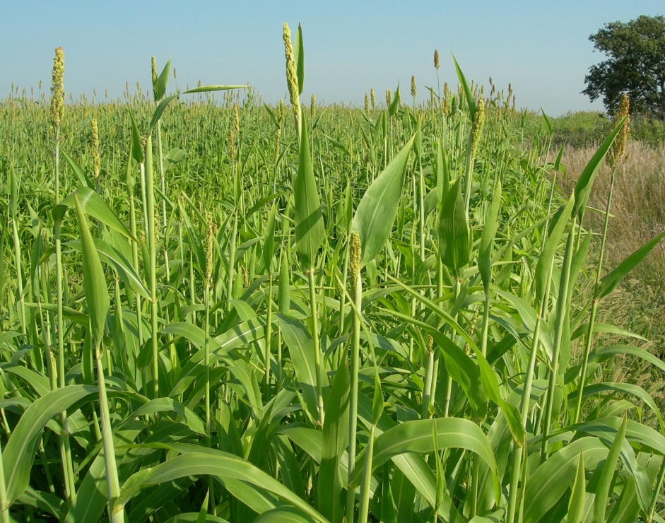

INTRODUCTION
The University of Nebraska - Lincoln value of standing forage tool was developed to help producers determine the value of standing forage in the field.
The numbers pre-populated in this tool are NOT intended to represent any one operation but rather market prices and average costs estimates taken from the Custom Rates Survey (see https://cap.unl.edu/customrates for survey).
Each individual operation should adjust key inputs and market prices to reflect their own situation.
USER INSTRUCTIONS:
Blue cells are inputs that should be changed to match your situation. Other values are automatically calculated.

FOR MORE INFORMATION:
Contact: | Jay Parsons, Ph.D.
 | Department of Agricultural Economics
 | University of Nebraska - Lincoln
 | jparsons4@unl.edu
 | 402-472-1911

AUTHORS ACKNOWLEDGEMENT:
Jay Parsons (Department of Agricultural Economics), Mary Drewnoski (Department of Animal Science), and Daren Redfearn (Department of Agronomy and Horticulture), University of Nebraska-Lincoln and Nebraska Extension. Copyright 2020.

Hay
Introduction
Value of Standing Forage - Hay |  |  | Navigation
Center for Agricultural Profitability, Dept. of Agricultural Economics, University of Nebraska Lincoln
For more information see 'Livestock Tools' at the Center for Agricultural Profitability website
Silage
Enter your own inputs into BLUE cells

Hay

Market value of comparable hay ($/ton) |  | $90
Alternative Forage Information
Estimated yield (tons/acre) | 4.7
Bale size (lbs.) | 1,300
Bales per acre | 7.2
 | $/ac | $/bale
Mowing | 15.00 | 2.07
Raking | 5.00 | 0.69
Baling | 108.46 | 15.00
Cost of making hay | 128.46 | 17.77
Cost $/ton for hay making |  | 27.33

Harvest risk adjustment (10-20%) | 10% | (6.27)

Value in field for forage ($/ton of hay) |  | $56
Value per acre |  | $265

Silage
Introduction
Value of Standing Forage - Silage |  |  | Navigation
Center for Agricultural Profitability, Dept. of Agricultural Economics, University of Nebraska Lincoln
For more information see 'Livestock Tools' at the Center for Agricultural Profitability website
Hay
Enter your own inputs into BLUE cells

Silage

 | $/bushel Delivered | Multiplier
Market Value of Corn Grain | 3.50 | 7.65
 | $/ton in Field | Moisture Content (%)
Market Value of Corn Silage | 26.78 | 65
 | Estimated Yield (tons/acre) | Moisture Content (%)
Alternative Forage Information | 12.0 | 65
 | Corn Silage | Alternative Forage
TDN Content on Dry Matter (DM) Basis | 72 | 60
 |  | Value Ratio
Market Value of Alternative Forage Relative to Corn Silage |  | 0.833

Alternative Standing Forage priced for Silage ($/ton as-is in field) |  | $22.31
Alternative Standing Forage priced for Silage ($/acre) |  | $268

Multiplier
Back
Multiplier - Price Conversion Factor Corn to Silage
Center for Agricultural Profitability, Dept. of Agricultural Economics, University of Nebraska Lincoln
For more information see 'Livestock Tools' at the Center for Agricultural Profitability website

Enter your own inputs into BLUE cells |  |  |  | $3.50 | price of corn $/bu.
 |  |  |  | 200 | bushels of corn per acre
Price Conversion Factor Corn to Silage |  |  |  | 56 | pounds per bushel
 |  |  |  | 11200 | pounds of corn per acre
 | DM % | % of grain content in standing corn plant |  | 5.6 | tons of corn per acre
Corn grain dry matter content | 85.00 | 52 |  | 0.85 | DM content of corn grain
 |  |  |  | 4.76 | tons of corn grain DM per acre
Corn silage dry matter content | 35.00 | Replacement Value of Nutrients removed through silage harvest ($/acre) |  | 0.52 | % of grain content in standing corn plant
 |  |  |  | 9.15 | tons of silage DM per acre
Corn grain harvesting costs per acre | $68.00 | $68.00 |  | 0.35 | DM content of silage
 |  |  |  | 21.85 | corn grain bushels per ton of DM
Corn Price ($/bushel) | $3.50 | Corn Yield (bushels/acre) | 200 | 7.65 | Multiplier (1)
 |  |  |  | 68.00 | Corn grain harvesting costs per acre
 |  | Multiplier | 7.65 | 68.00 | Replacement Value of Nutrients removed through silage harvest ($/acre)
 |  |  |  | 0.00 | Difference ($/acre) in harvest cost to nutrient replacement value
 |  |  |  | 0 | $/bushel adjustment
 |  |  |  | 700 | corn revenue/acre
 |  |  |  | 700.00 | Net value of corn / acre
 |  |  |  | 76.470588235 | $/ton DM of silage
 |  |  |  | 26.764705882 | $/ton of silage
 |  |  |  | 7.65 | Multiplier (2)

